Princess Brides
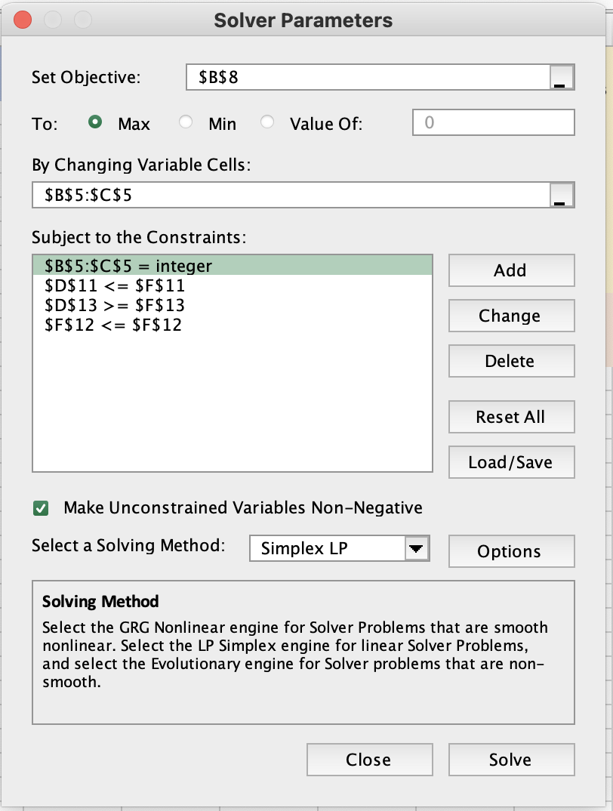
Integer Programming |  |  |  |  |  | Liz Bailey is the owner of Princess Brides, a wedding dress retailer. She uses radio to market and two types of ads are available – those during prime time and those at other times. Each prime time ad costs $390 and reaches 8,200 people on average. Off-peak ads cost $240 and reach 5,100 people on average. Bailey has a budget of $1800 per week for advertising. She wants at least 2 prime time ads and no more than 6 off-peak ads. Find the best mix of ads to purchase so the most people are reached.

Variables | Peak | Off Peak
 | 4 | 1
 | 8200 | 5100 | <--objective function here
Objjevtive(max)
People reached | 37900

Constraints |  |  | LHS | Sign | RHS
Budget | 390 | 240 | 1800 | <= | 1800 | Summary Solution:
no more than 6 OP |  | 1 | 1 | <= | 6 | Recommend 4 Peak ads and 1 Off-Peak ad to reach a maximum of 37900 people.
atleast 2 Peak | 1 |  | 4 | >= | 2

Bolsa de Café
 | no of 20lb bags | lbs of grinded beans |  |  |  | Bolsa de Café is a specialty coffee shop selling custom blends of coffee using 3 types of beans. They sell two products: 20 lb bags of blended coffee beans (whole) and individual bags of ground beans sold by the pound in bulk. The ground beans can be produced in any quantity. Both bags are composed of three different beans. The 20lb bags sell for $85 and bags of ground beans sell for $1.50/lb. Find the number of 20lb bags and number of pounds of ground beans to produce subject to the constraints in the table below so that profit is maximized.
Variables | 44 | 20.00
 | $85 | $1.50

Objective(max)
Profit | 3770

Constraints |  |  | LHS | Sign | RHS
A | 30 | 0.5 | 1330 | <= | 2000
B | 18 | 0.4 | 800 | <= | 800 | Bean | Units per 20 lb bag | Units per lb | Amount available (lbs)
C | 2 | 0.1 | 90 | <= | 200 | A | 30 | 0.5 | 2000
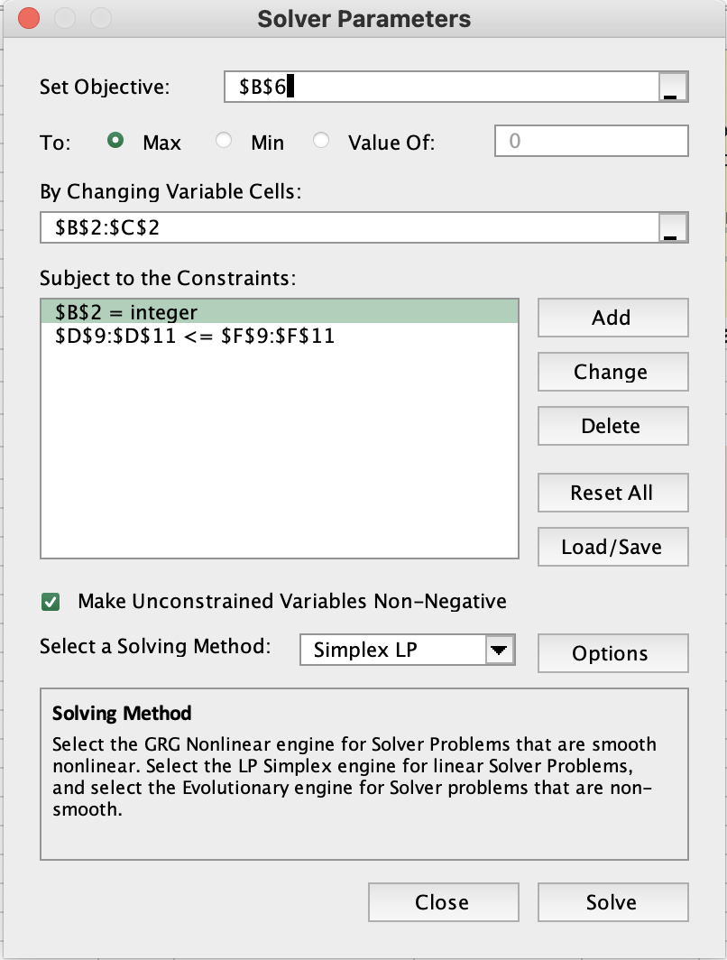
 |  |  |  |  |  | B | 18 | 0.4 | 800
 |  |  |  |  |  | C | 2 | 0.1 | 200
 |  |  |  |  |  | Summary Sentence
 |  |  |  |  |  | Recommended producing 44 bags of 20lbs and 20lbs of grinded beans in orider to produce $3770 of profit

Posters
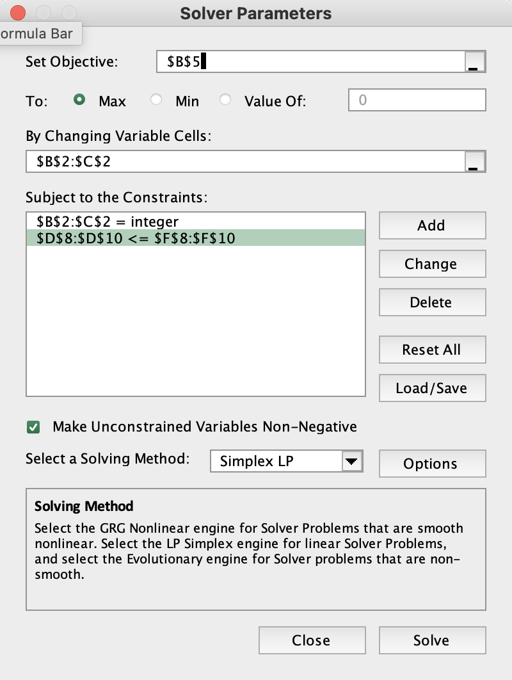
 | Large Poster | Small Posters |  |  |  | University art student Hilda Hernandez runs a small business printing and selling wall posters. She sells two sizes of wall posters, a large 3- by 4-foot poster and a smaller 2- by 3-foot poster. The profit earned from the sale of each large poster is $5; each smaller poster earns $7. Because of her classroom schedule, Hilda has the following weekly constraints: (1) up to four large posters can be sold, (2) up to six smaller posters can be sold, and (3) up to 15 hours can be spent on posters during the week, with each large poster requiring 3 hours of work and each smaller one taking 1.5 hour.
Variables | 2 | 6
 | $5 | $7
Objective(max)
Profit: | 52

Constraints |  |  | LHS | Sign | RHS
upto 4 Large | 1 |  | 2 | <= | 4 | With the semester almost over, Hilda plans on taking a 3-month summer vacation to England. She wants to maximize her profit in her final week before leaving, and she doesn’t want to leave any unfinished posters behind.
upto 6 small |  | 1 | 6 | <= | 6 | Summary Sentence:
time | 3 | 1.5 | 15 | <= | 15 | Recommended making 2 Large Posters and 6 Small Postersto maximaize profits to $52.

